Oxidant Feed Composition
Chemical

 |  |  | Vol of solution | 100 | L | Mols Water Init --> | 5550.84

 |  |  | Water generated is negligible relative to vol--> can assume constant volume

x excess: | 1.2 |  | 2.25
Stoich: | 1 |  | 8 |  | 6 |  | 3 |  | 3 |  | 6 |  | Assume K is analogous with Na
 | NaIO3 | + | NaI | + | HClO4 | = | NaI3 | + | H2O | + | NaClO4 |  | NaIO3 should really be KIO3, but we will use Na as a placeholder for all cations, so K4[Fe(CN)_6] will be assumed to be Na4[Fe(CN)_6]
Conc (mM): | 40 |  | 600 |  | 200 |  | 100 |  | 100 |  | 200
conc (M): | 0.04 |  | 0.6 |  | 0.2 |  | 0.1 |  | 0.1 |  | 0.2
I (mol): | 4 |  | 60 |  | 20 |  | 0 |  | 0 |  | 0
delta (mol): | -3.3333333333 |  | -26.666666667 |  | -20 |  | 10 |  | 10 |  | 20
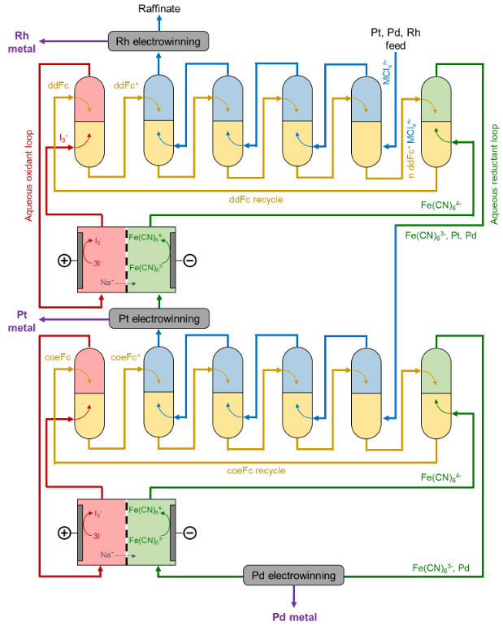
F (mol): | 0.66666666667 |  | 33.333333333 |  | 0 |  | 10 |  | 10 |  | 20
F Conc (M) | 0.0066666666667 |  | 0.33333333333 |  | 0 |  | 0.1 |  | 0.1 |  | 0.2

Chemicals In Process | Description |  |  |  |  |  |  |  |  |  |  | Oxidant Feed Tank Composition
H2[PtCl_6] | Chloroplatinic Acid in OG Leachate Feed |  |  |  |  |  |  |  |  |  |  | Chemical | Conc [M]
Na2[PdCl_4] | Chloropalladic Acid in OG Leachate Feed |  |  |  |  |  |  |  |  |  |  | NaIO3 | 0.0066666666667
Na3[RhCl_6] | Chlororhodic Acid in OG Leachate Feed |  |  |  |  |  |  |  |  |  |  | NaI | 0.33333333333
HCl | Will Likely Be in Feed Leachate. Inert in eLLE |  |  |  |  |  |  |  |  |  |  | NaI3 | 0.1
NaCl | Will Likely Be in Feed Leachate. Also in aqueous reduction loop. Inert in eLLE |  |  |  |  |  |  |  |  |  |  | NaClO4 | 0.2
KIO3 | Enters in Aqueous Oxidant Loop |  |  |  |  |  |  |  |  |  |  | Cost For 100 L of Feed Solution [$] | 186.424352
NaI | Enters in Aqueous Oxidant Loop |  |  |  |  |  |  |  |  |  |  | Cost Ox Fresh Feed [$/L] | 1.86424352
NaI3 | Enters in Aqueous Oxidant Loop
NaClO4 | Enters in Aqueous Oxidant Loop

 |  |  |  | assume ddFc of 1.89 mol/min (3 stages S1)
 |  |  |  | 9.45 | 0.062999999994

 | NaClO4 | + | NaI3 | + | ddFc | = | ddFcClO4 | + | NaI
 | 1 |  | 0.50 |  | 1 |  | 1 |  | 1.5
I (mol/min) | 1.89 |  | 1.134 |  | 1.89 |  | 0 |  | 3.78
delta (mol/min) | -1.89 |  | -0.945 |  | -1.89 |  | 1.89 | 0 | 2.835
F (mol/min) | 0 | 0 | 0.189 | 0 | 0 | 0 | 1.89 | 0 | 6.615

PFD with Stream Indices
